respiration_soil_total meta_dat
Column Name | Meta Data
plot_code
sub_plot
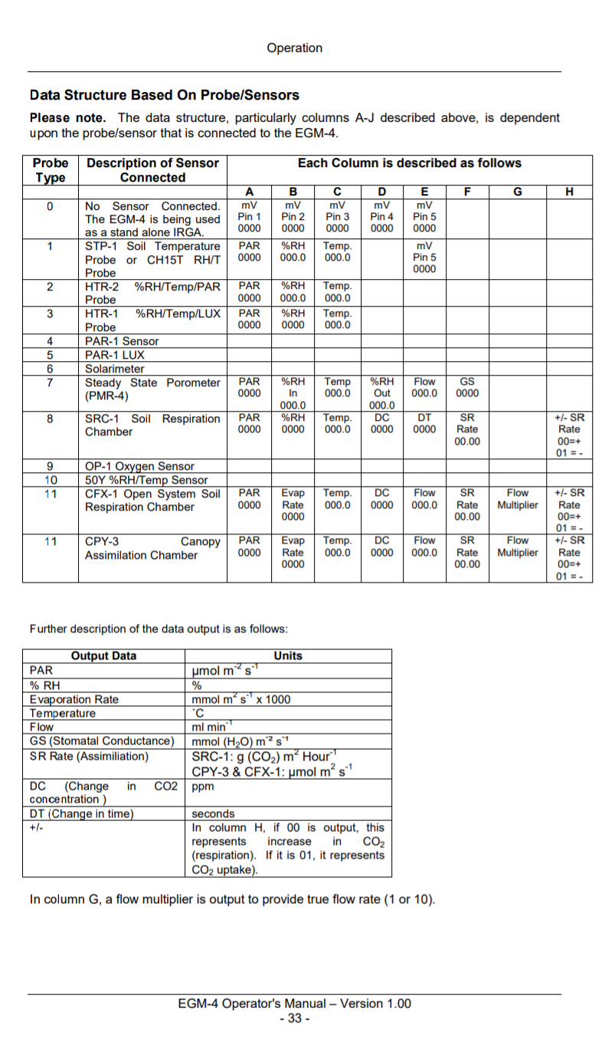
tree_tag
collar_number | collar_number
replica | This one could be used if you measure the same point (collar) twice, if you measure every point(collar) once, this should all be one.
year
month
day
egm_measurement
recno | a rowning number of each flux measurement, could be understood as time step (auto recorded by EGM) (pls include as much as possible according to your EGM output)
hour
minute
co2ref | CO2 concentration , unit in ppm, this is the most important row for flux calculation (auto recorded by EGM)
input_d | see column D, should be relative change in CO2 ppm
time | This is actually input_E (see column E in the table) (one of the EGM output)
input_f | CO2 flux calculated by EGM, we don't use this column
atmp | Reading from the pressure transducer (mb) (one of the EGM output)
probe_type | Normally, for respiration, we have probe_type=8, see the table here (we use type 8 for both stem and soil respiration):
manually_collected_final_flux
quality_code
note

